
 |  |  |  | CODE: |  |  | pl1061 aa SN from 96D673
DESCRIPTION: |  | ELECTRIC UNIT 2 |  | ELEKTRISCHE GRUPPE 2 | GROUPE ELECTRIQUE 2 | GRUPO ELÉCTRICO 2 | PARTI ELETTRICHE 2
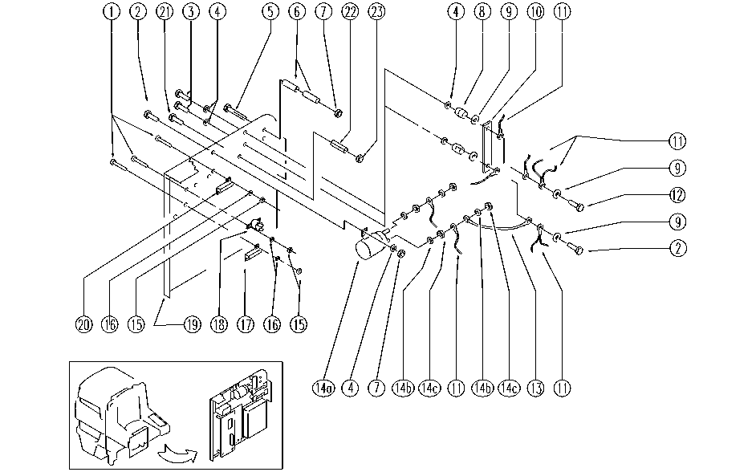

REF. | CODE | DESCRIPTION | QT
1 | SL04179 | SCREW | 12
2 | E89244 | Screw | 3
3 | E86706 | Screw TE M 6-16 | 2
4 | E86707 | Cham Washer D10 | 6
5 | SL04196 | SCREW | 2
6 | SL07176 | SPACER | 4
7 | E87868 | Self Locking Nut | 4
8 | E86563 | support | 2
9 | E86704 | Washer D 6-18 | 4
10 | SL23569 | BRIDGE / JUMPER | 1
11 | GR23479 | WIRING UNIT | 1
12 | E86475 | Screw TE M .6-20 | 1
13 | SL23125 | SHUNT | 1
14a | E86829 | Remote Control | 1
14b | E86702 | Cham Washer D8 | 4
14c | E86703 | Nut M8 | 4
15 | E88225 | Nut | 12
16 | SL06009 | WASHER | 12
17 | E89433 | Resistor AS30/36 | 1
18 | E87899 | thermostat AS36 | 2
19 | SL09682 | PLATE | 1
20 | SL23969 | RESISTANCE | 1
21 | SL04047 | SCREW | 1
22 | SL07337 | SPACER | 1
23 | E86853 | Nyloc Hex Nut, M8 Zinc | 1

